Basic Formatting
Employee ID | Name | Department | Salary | Joining Date
E101 | Amit Sharma | HR | ₹ 32,000 | 2022-01-12
E102 | Neha Verma | IT | ₹ 45,000 | 2021-03-05
E103 | Rahul Mehta | Finance | ₹ 38,000 | 2020-07-18
E104 | Pooja Singh | IT | ₹ 52,000 | 2019-11-10
E105 | Ankit Patel | Sales | ₹ 30,000 | 2023-06-25 | 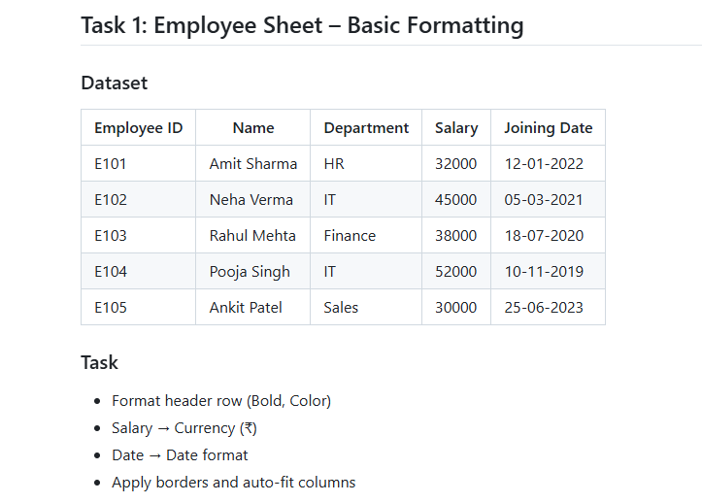
E106 | Sanjay Sirsikar | BI | ₹ 83,658 | 2026-01-24
E107 | Jiya Patel | BI | ₹ 60,656 | 2026-02-02
E108 | Hetvi Joshi | BI | ₹ 69,782 | 2026-01-23
E109 | Pawan Shah | BI | ₹ 77,624 | 2025-10-15
E110 | Om Thakar | BI | ₹ 80,047 | 2025-08-31
E111 | Jay Patel | BI | ₹ 63,750 | 2025-06-14
E112 | Smit Soni | BI | ₹ 66,015 | 2025-03-28
E113 | Ravi Patel | Finance | ₹ 83,282 | 2025-01-09
E114 | Ketan Chitara | Finance | ₹ 53,589 | 2024-10-23
E115 | Azaz Pathan | Finance | ₹ 74,322 | 2024-08-06
E116 | Kardam Joshi | Finance | ₹ 77,325 | 2024-05-20
E117 | Rakhi Mulchandani | Sales | ₹ 91,831 | 2024-03-03
E118 | Harsh Thakar | Sales | ₹ 62,461 | 2023-12-16
E119 | Pinakin Trivedi | Sales | ₹ 53,949 | 2023-09-29
E120 | Mahendra Kori | Sales | ₹ 51,220 | 2023-07-13

Sheet2
Monthly Sales Report

Product Name | Region | Sales Amount | Salesperson
Laptop Dell Inspiron 15 | North | ₹ 45,000 | Ramesh | 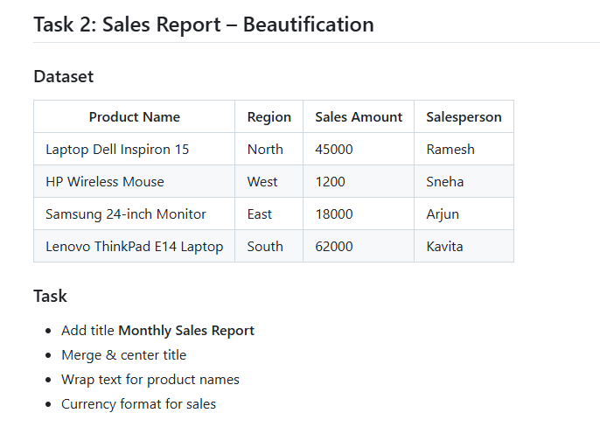
HP Wireless Mouse | West | ₹ 1,200 | Sneha
Samsung 24-inch Monitor | East | ₹ 18,000 | Arjun
Lenovo ThinkPad E14 Laptop | South | ₹ 62,000 | Kavita

Sheet3
Roll No | Student Name | Maths | Science | English | Percentage
1 | Aakash | 78 | 82 | 74 | 78.00%
2 | Bhavya | 65 | 70 | 68 | 67.67%
3 | Chirag | 90 | 88 | 92 | 90.00% | 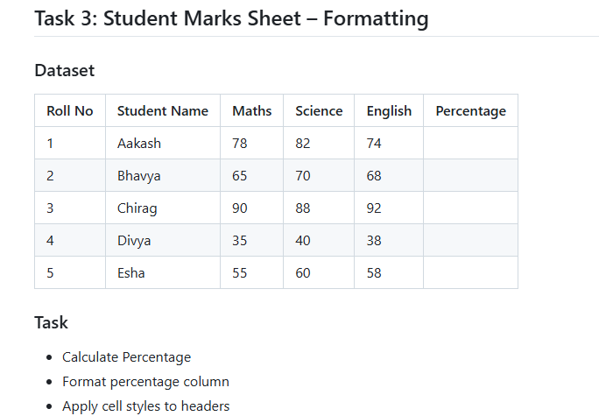
4 | Divya | 35 | 40 | 38 | 37.67%
5 | Esha | 55 | 60 | 58 | 57.67%

Sheet4
Invoice No | Date | Sales Amount
INV001 | 2024-01-01 | ₹ 12,000
INV002 | 2024-01-03 | ₹ 25,000
INV003 | 2024-01-05 | ₹ 8,000
INV004 | 2024-01-08 | ₹ 32,000
INV005 | 2024-01-10 | ₹ 15,000
 | Total | ₹ 92,000
 | Average | ₹ 18,400
 | High Value | ₹ 8,000
 | Low Value | ₹ 32,000 | 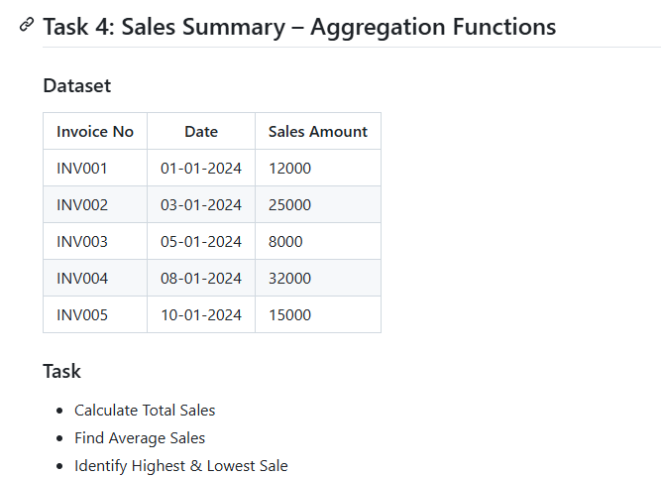

Sheet5
Employee Name | Department | Salary | Total Salary Dept wise
Ritu | Finance | ₹ 42,000 | ₹ 80,000
Neel | Finance | ₹ 38,000
Suresh | HR | ₹ 28,000 | ₹ 58,000
Aman | HR | ₹ 30,000
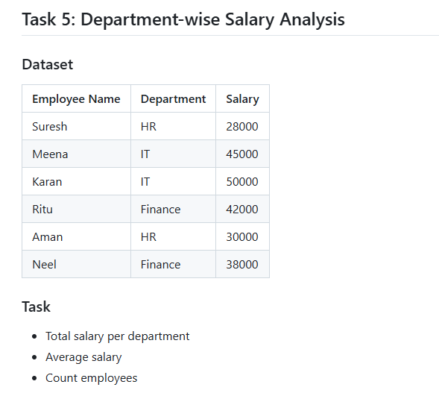
Meena | IT | ₹ 45,000 | ₹ 95,000
Karan | IT | ₹ 50,000
6

Sheet6
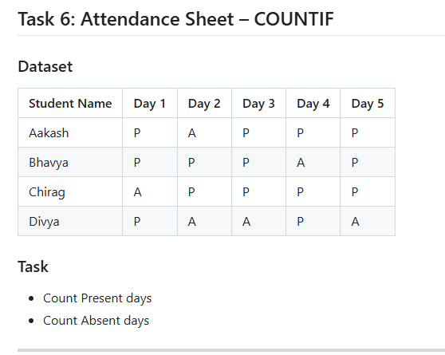
Student Name | Day 1 | Day 2 | Day 3 | Day 4 | Day 5 | Present Count | Absent Count
Aakash | P | A | P | P | P | 4 | 1
Bhavya | P | P | P | A | P | 4 | 1
Chirag | A | P | P | P | P | 4 | 1
Divya | P | A | A | P | A | 2 | 3
Present Count | 3 | 2 | 3 | 3 | 3
Absent Count | 1 | 2 | 1 | 1 | 1

Sheet7
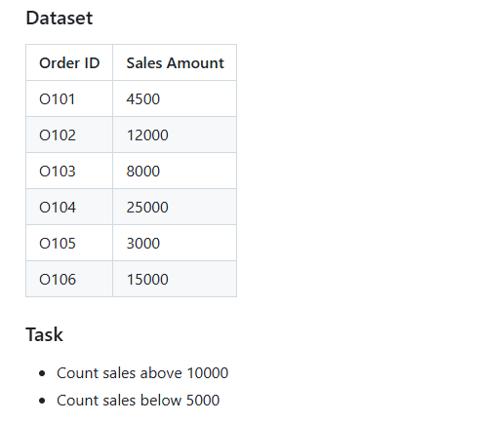
Order ID | Sales Amount
O101 | 4500 | Count sales above 10000 | 3
O102 | 12000
O103 | 8000 | Count sales below 5000 | 2
O104 | 25000
O105 | 3000
O106 | 15000

Sheet8
Product | Sales Amount
Mobile | 22000
Headphones | 3500
Laptop | 58000
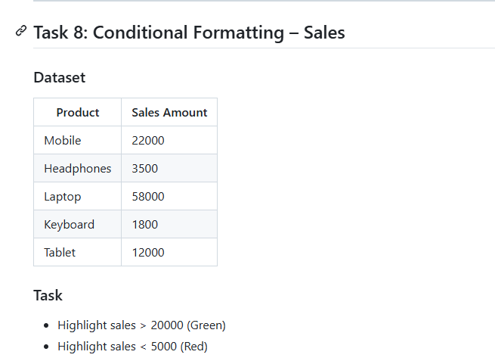
Keyboard | 1800
Tablet | 12000

Sheet9
Roll No | Name | Marks
1 | Aman | 85
2 | Bharti | 72
3 | Chetan | 39
4 | Deepa | 91
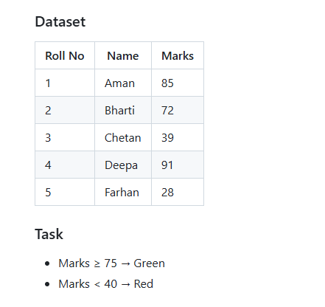
5 | Farhan | 28

Sheet10
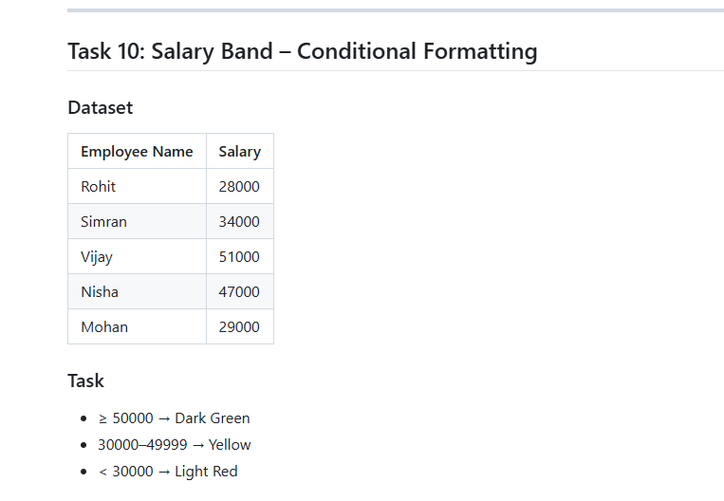
Employee Name | Salary
Rohit | ₹ 28,000
Simran | ₹ 34,000
Vijay | ₹ 51,000
Nisha | ₹ 47,000
Mohan | ₹ 29,000

